Datasheet
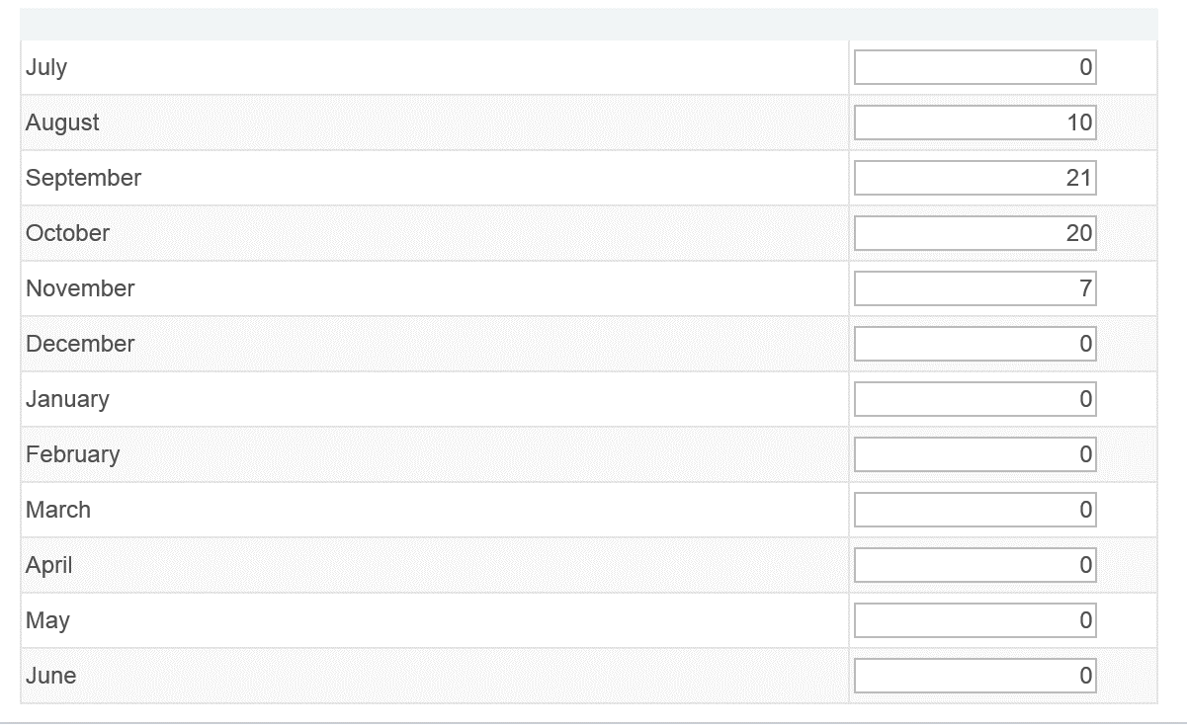
Test Script ID:
Test Script Name: | EFT Payroll Data
Test Set: | Payroll Processing
Test Scenario: | Processing Payroll
Test Case: | EFT Payroll Data

Configuration Steps
Concatenation of Test Conditions | Iteration # | Expected Pass/Fail | Iteration Result (Pass/Fail) | Test Step # where Fail was encountered | Browser | Security Role
 | 1 | Pass |  |  | IE | HCM Configuration Specialist

Processing Steps
Concatenation of Test Conditions | Iteration # | Expected Pass/Fail | Iteration Result (Pass/Fail) | Test Step # where Fail was encountered | Browser | Security Role | Run Control ID | PAY_END_DATE
 | 1 | Pass |  |  | IE | Payroll Administrator | EFT | 2015-01-15
 | 2 | Pass |  |  | IE | Payroll Administrator | EFT | 2015-01-15

